Offset
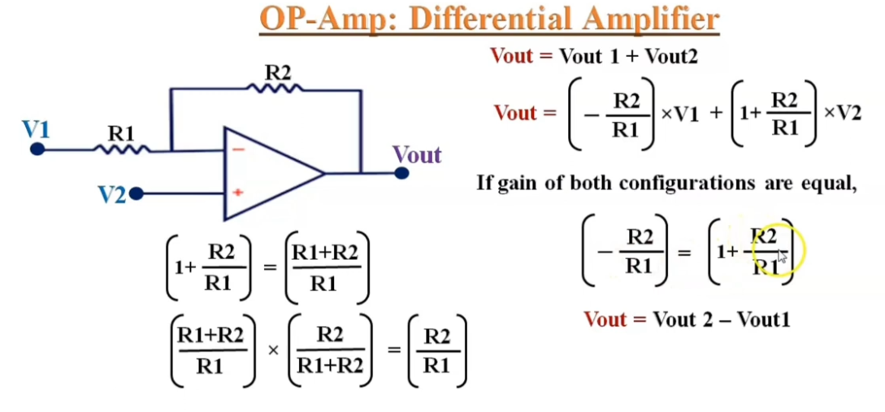
SINE, TRI
R2 [kΩ] | 0 | 1 | 2 | 3 | 4 | 5 | 6 | 7 | 8 | 9 | 10
Uamp [V0] | 0 | 0.6 | 1.2 | 1.8 | 2.4 | 3 | 3.6 | 4.2 | 4.8 | 5.4 | 6
kU[-] | 0 | 1 | 2 | 3 | 4 | 5 | 6 | 7 | 8 | 9 | 10
V2 [V]
-9 | -9 | -18.6 | -28.2 | -37.8 | -47.4 | -57 | -66.6 | -76.2 | -85.8 | -95.4 | -105
-8 | -8 | -16.6 | -25.2 | -33.8 | -42.4 | -51 | -59.6 | -68.2 | -76.8 | -85.4 | -94
-7 | -7 | -14.6 | -22.2 | -29.8 | -37.4 | -45 | -52.6 | -60.2 | -67.8 | -75.4 | -83
-6 | -6 | -12.6 | -19.2 | -25.8 | -32.4 | -39 | -45.6 | -52.2 | -58.8 | -65.4 | -72
-5 | -5 | -10.6 | -16.2 | -21.8 | -27.4 | -33 | -38.6 | -44.2 | -49.8 | -55.4 | -61
-4 | -4 | -8.6 | -13.2 | -17.8 | -22.4 | -27 | -31.6 | -36.2 | -40.8 | -45.4 | -50
-3 | -3 | -6.6 | -10.2 | -13.8 | -17.4 | -21 | -24.6 | -28.2 | -31.8 | -35.4 | -39
-2 | -2 | -4.6 | -7.2 | -9.8 | -12.4 | -15 | -17.6 | -20.2 | -22.8 | -25.4 | -28
-1 | -1 | -2.6 | -4.2 | -5.8 | -7.4 | -9 | -10.6 | -12.2 | -13.8 | -15.4 | -17
0 | 0 | -0.6 | -1.2 | -1.8 | -2.4 | -3 | -3.6 | -4.2 | -4.8 | -5.4 | -6
1 | 1 | 1.4 | 1.8 | 2.2 | 2.6 | 3 | 3.4 | 3.8 | 4.2 | 4.6 | 5
2 | 2 | 3.4 | 4.8 | 6.2 | 7.6 | 9 | 10.4 | 11.8 | 13.2 | 14.6 | 16
3 | 3 | 5.4 | 7.8 | 10.2 | 12.6 | 15 | 17.4 | 19.8 | 22.2 | 24.6 | 27
4 | 4 | 7.4 | 10.8 | 14.2 | 17.6 | 21 | 24.4 | 27.8 | 31.2 | 34.6 | 38
5 | 5 | 9.4 | 13.8 | 18.2 | 22.6 | 27 | 31.4 | 35.8 | 40.2 | 44.6 | 49
6 | 6 | 11.4 | 16.8 | 22.2 | 27.6 | 33 | 38.4 | 43.8 | 49.2 | 54.6 | 60
7 | 7 | 13.4 | 19.8 | 26.2 | 32.6 | 39 | 45.4 | 51.8 | 58.2 | 64.6 | 71
8 | 8 | 15.4 | 22.8 | 30.2 | 37.6 | 45 | 52.4 | 59.8 | 67.2 | 74.6 | 82
9 | 9 | 17.4 | 25.8 | 34.2 | 42.6 | 51 | 59.4 | 67.8 | 76.2 | 84.6 | 93

SQUARE
R2 [Ω] | 0 | 1 | 2 | 3 | 4 | 5 | 6 | 7 | 8 | 9
Uamp [V0] | 0 | 2.5 | 5 | 7.5 | 10 | 12.5 | 15 | 17.5 | 20 | 22.5
kU[-] | 0 | 1 | 2 | 3 | 4 | 5 | 6 | 7 | 8 | 9
V2 [V]
-9 | -9 | -20.5 | -32 | -43.5 | -55 | -66.5 | -78 | -89.5 | -101 | -112.5
-8 | -8 | -18.5 | -29 | -39.5 | -50 | -60.5 | -71 | -81.5 | -92 | -102.5
-7 | -7 | -16.5 | -26 | -35.5 | -45 | -54.5 | -64 | -73.5 | -83 | -92.5
-6 | -6 | -14.5 | -23 | -31.5 | -40 | -48.5 | -57 | -65.5 | -74 | -82.5
-5 | -5 | -12.5 | -20 | -27.5 | -35 | -42.5 | -50 | -57.5 | -65 | -72.5
-4 | -4 | -10.5 | -17 | -23.5 | -30 | -36.5 | -43 | -49.5 | -56 | -62.5
-3 | -3 | -8.5 | -14 | -19.5 | -25 | -30.5 | -36 | -41.5 | -47 | -52.5
-2 | -2 | -6.5 | -11 | -15.5 | -20 | -24.5 | -29 | -33.5 | -38 | -42.5
-1 | -1 | -4.5 | -8 | -11.5 | -15 | -18.5 | -22 | -25.5 | -29 | -32.5
0 | 0 | -2.5 | -5 | -7.5 | -10 | -12.5 | -15 | -17.5 | -20 | -22.5
1 | 1 | -0.5 | -2 | -3.5 | -5 | -6.5 | -8 | -9.5 | -11 | -12.5
2 | 2 | 1.5 | 1 | 0.5 | 0 | -0.5 | -1 | -1.5 | -2 | -2.5
3 | 3 | 3.5 | 4 | 4.5 | 5 | 5.5 | 6 | 6.5 | 7 | 7.5
4 | 4 | 5.5 | 7 | 8.5 | 10 | 11.5 | 13 | 14.5 | 16 | 17.5
5 | 5 | 7.5 | 10 | 12.5 | 15 | 17.5 | 20 | 22.5 | 25 | 27.5
6 | 6 | 9.5 | 13 | 16.5 | 20 | 23.5 | 27 | 30.5 | 34 | 37.5
7 | 7 | 11.5 | 16 | 20.5 | 25 | 29.5 | 34 | 38.5 | 43 | 47.5
8 | 8 | 13.5 | 19 | 24.5 | 30 | 35.5 | 41 | 46.5 | 52 | 57.5
9 | 9 | 15.5 | 22 | 28.5 | 35 | 41.5 | 48 | 54.5 | 61 | 67.5

Offset ADC
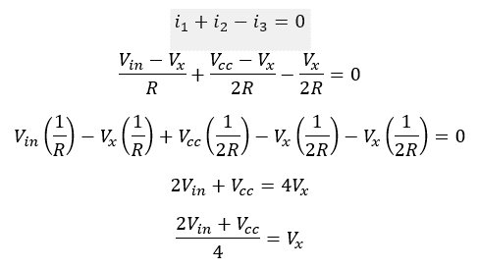
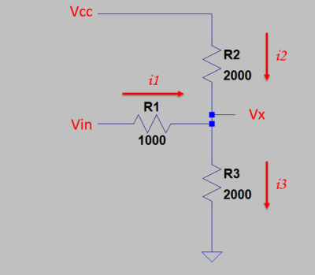
Vin [V] | Vx [V] |  | R[kΩ]
-9 | 0.78 | R1 | 10
-8 | 0.91 | R2 | 2.2
-7 | 1.04 | R3 | 4.7
-6 | 1.17 | Vcc [V] | 3.3
-5 | 1.30
-4 | 1.43
-3 | 1.56
-2 | 1.69
-1 | 1.82
0 | 1.95
1 | 2.09
2 | 2.22
3 | 2.35
4 | 2.48
$$Vx=\frac{\left(Vin∗R2+Vcc∗R1\right)∗R3}{R2∗R3+R1∗R3+R1∗R2}$$
5 | 2.61
6 | 2.74
7 | 2.87
8 | 3.00
9 | 3.13

-10 | 0.65

Offset FB
Vin [V] | Vx [V] |  | R[kΩ]
0 | 1.19 | R1 | 1
3.3 | 2.49 | R2 | 10
 |  | R3 | 0.7
 |  | Vcc [V] | 30

$$Vx=\frac{\left(Vin∗R2+Vcc∗R1\right)∗R3}{R2∗R3+R1∗R3+R1∗R2}$$

Offset POT
POTENCJOMETR OFFSET
OLED 0-3,3V | MULTI - + | OLED/MULTI
7.9 | 7.6 | 1.04
8.1 | 7 | 1.16
7.5 | 6 | 1.25
6.3 | 5 | 1.26
4.6 | 4 | 1.15
3.6 | 3 | 1.20
2.5 | 2 | 1.25
1.2 | 1 | 1.20
0 | 0
-1.2 | -1 | 1.20
-2.5 | -2 | 1.25
-3.6 | -3 | 1.20
-5.6 | -4 | 1.40
-6.4 | -5 | 1.28
-6.9 | -6 | 1.15
-7.2 | -7.07 | 1.02
-7.2 | -7.16 | 1.01

OLD OFFSET MEASURE WAY

Offset Oscy-OLED
VOLTAGES
 | OSCYLOSKOP OFFSET | AMP 1 | AMP 2 | AMP 3 | AMP 4 | AMP 5
 | -6 | -7.8 | -7.8
 | -5 | -6.6 | -6.6 | -7 | -7
 | -4 | -5.3 | -5.4 | -5.6 | -5.6 | -6.1
 | -3 | -4 | -3.8 | -4.2 | -4.1 | -4.6
 | -2 | -2.7 | -2.8 | -3.1 | -3 | -3.3
 | -1 | -1.35 | -1.4 | -1.7 | -1.8 | -2
 | 0 | -0.1 | -0.3 | -0.4 | -0.6 | -0.3
 | 1 | 1.1 | 1.1 | 0.9 | 1 | 0.9
 | 2 | 2.1 | 2.3 | 2.2 | 2 | 2
 | 3 | 3.7 | 3.7 | 3.4 | 3.2 | 3.1
 | 4 | 5 | 5.2 | 5 | 4.9 | 4.4
 | 5 | 6.4 | 6.2 | 6.4 | 6 | 5.4
 | 6 | 7.5 | 7.5 | 7.4 | 7.5 | 6.8
 | 7 | 9 | 8.9 | 8.8 | 8.8 | 8.1
OSCYLOSKOP OFFSET | AMP 1 | AMP 2 | AMP 3 | AMP 4 | AMP 5 | AVR | FACTOR
 | OLED | OLED | OLED | OLED | OLED
-6 | -7.8 | -7.8 |  |  |  | -7.80 | 0.77
-5 | -6.6 | -6.6 | -7 | -7 |  | -6.80 | 0.74
-4 | -5.3 | -5.4 | -5.6 | -5.6 | -6.1 | -5.60 | 0.71
-3 | -4 | -3.8 | -4.2 | -4.1 | -4.6 | -4.14 | 0.72
-2 | -2.7 | -2.8 | -3.1 | -3 | -3.3 | -2.98 | 0.67
-1 | -1.35 | -1.4 | -1.7 | -1.8 | -2 | -1.65 | 0.61
0 | -0.1 | -0.3 | -0.4 | -0.6 | -0.3 | -0.34 | 0.00
1 | 1.1 | 1.1 | 0.9 | 1 | 0.9 | 1.00 | 1.00
2 | 2.1 | 2.3 | 2.2 | 2 | 2 | 2.12 | 0.94
3 | 3.7 | 3.7 | 3.4 | 3.2 | 3.1 | 3.42 | 0.88
4 | 5 | 5.2 | 5 | 4.9 | 4.4 | 4.90 | 0.82
5 | 6.4 | 6.2 | 6.4 | 6 | 5.4 | 6.08 | 0.82
6 | 7.5 | 7.5 | 7.4 | 7.5 | 6.8 | 7.34 | 0.82
7 | 9 | 8.9 | 8.8 | 8.8 | 8.1 | 8.72 | 0.80
8 | 10.2 | 10.2 | 10.2 | 9.9 |  | 10.13 | 0.79

 | FACTOR |  |  |  |  | FACTOR AVR ALL OSC
-6 | 0.77 | 0.77 |  |  |  |  | 0.77
-5 | 0.76 | 0.76 | 0.71 | 0.71 |  |  | 0.74
-4 | 0.75 | 0.74 | 0.71 | 0.71 | 0.66 |  | 0.72
-3 | 0.75 | 0.79 | 0.71 | 0.73 | 0.65 |  | 0.73
-2 | 0.74 | 0.71 | 0.65 | 0.67 | 0.61 |  | 0.67
-1 | 0.74 | 0.71 | 0.59 | 0.56 | 0.50 |  | 0.62
0 | 0.00 | 0.00 | 0.00 | 0.00 | 0.00 |  | 0.00
1 | 0.91 | 0.91 | 1.11 | 1.00 | 1.11 |  | 1.01
2 | 0.95 | 0.87 | 0.91 | 1.00 | 1.00 |  | 0.95
3 | 0.81 | 0.81 | 0.88 | 0.94 | 0.97 |  | 0.88
4 | 0.80 | 0.77 | 0.80 | 0.82 | 0.91 |  | 0.82
5 | 0.78 | 0.81 | 0.78 | 0.83 | 0.93 |  | 0.83
6 | 0.80 | 0.80 | 0.81 | 0.80 | 0.88 |  | 0.82
7 | 0.78 | 0.79 | 0.80 | 0.80 | 0.86 |  | 0.80
8 | 0.78 | 0.78 | 0.78 | 0.81 |  |  | 0.79

 | FACTOR AVR |  |  |  |  | FACTOR AVR ALL AMP
 | 0.74 | 0.73 | 0.73 | 0.74 | 0.76 |  | 0.74

